Task 2 (Storage Bucket)
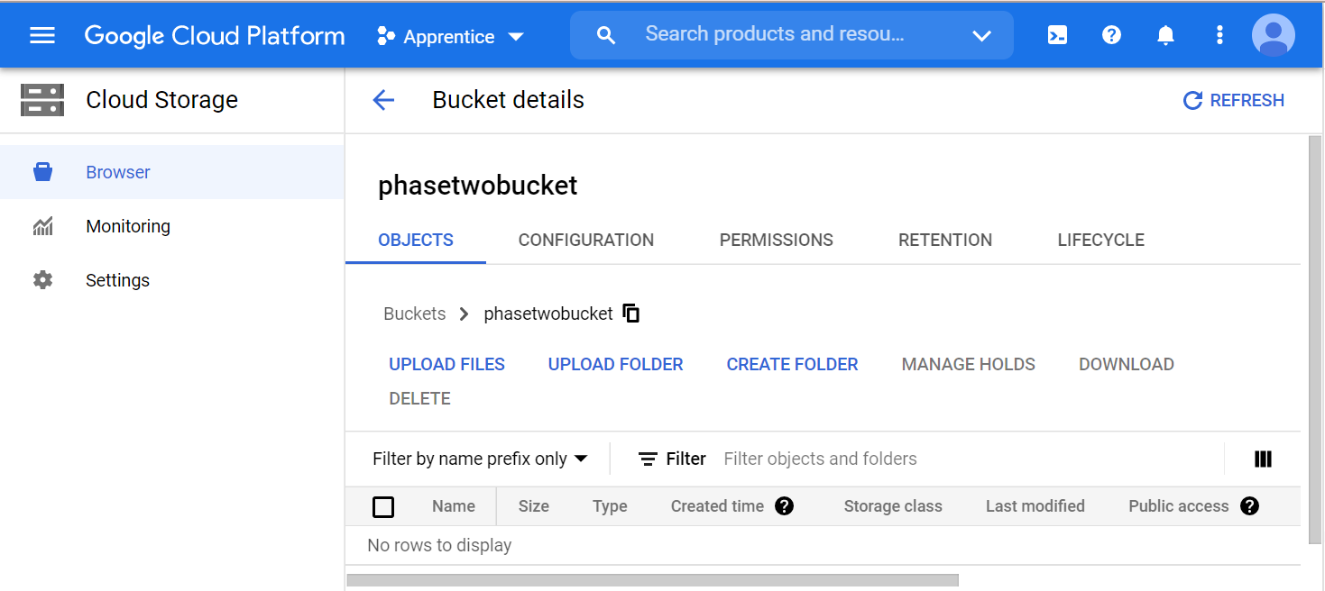
Storage Bucket
Tilte = phasetwobucket

Task 3 (Cloud SQL)
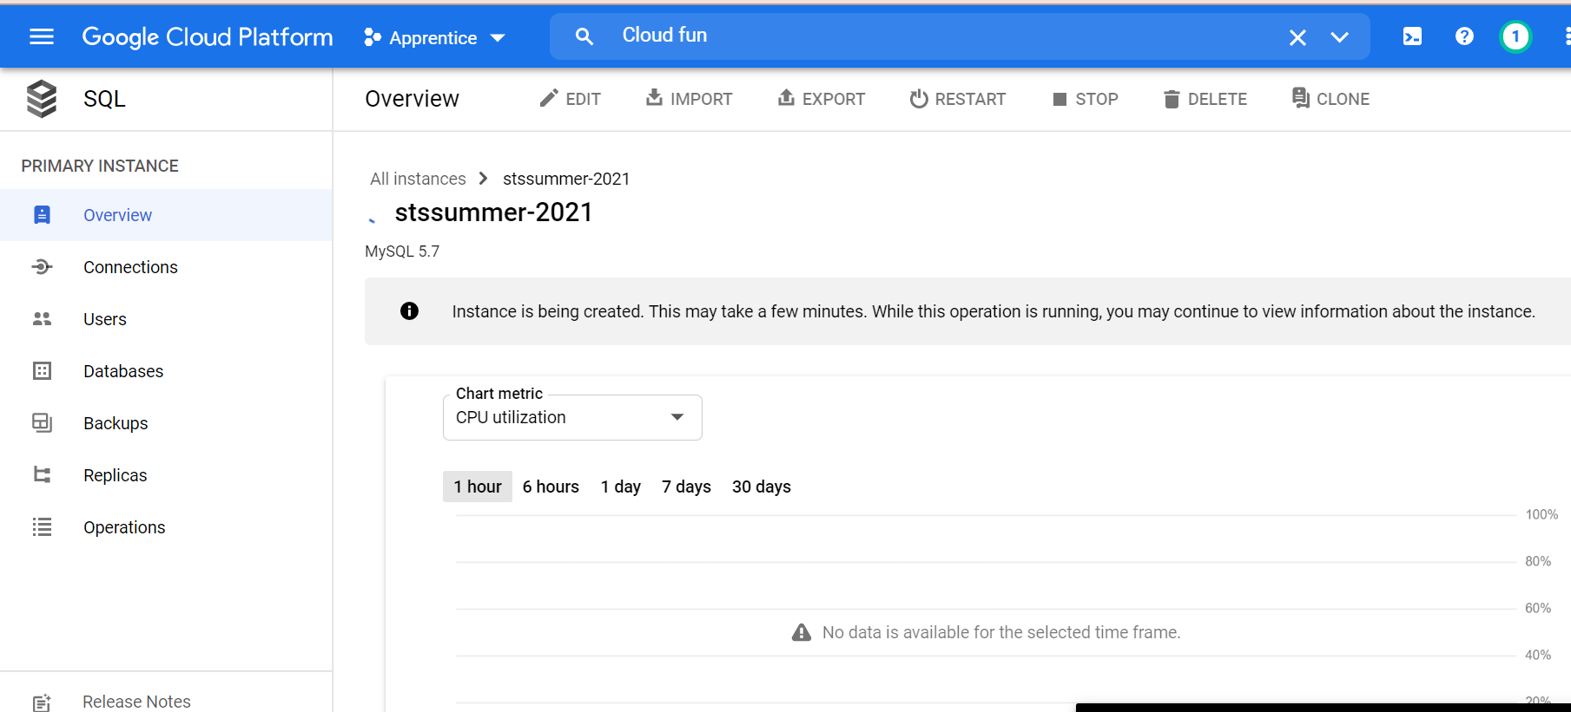
 | Created CloudSQL Instance
 | stssummer-2021

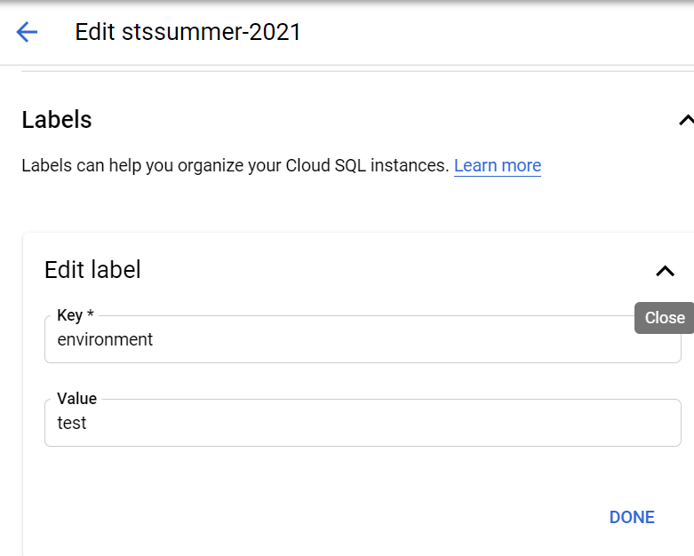
Labeled Cloud SQL Instance
Key = Environment
Value = Test

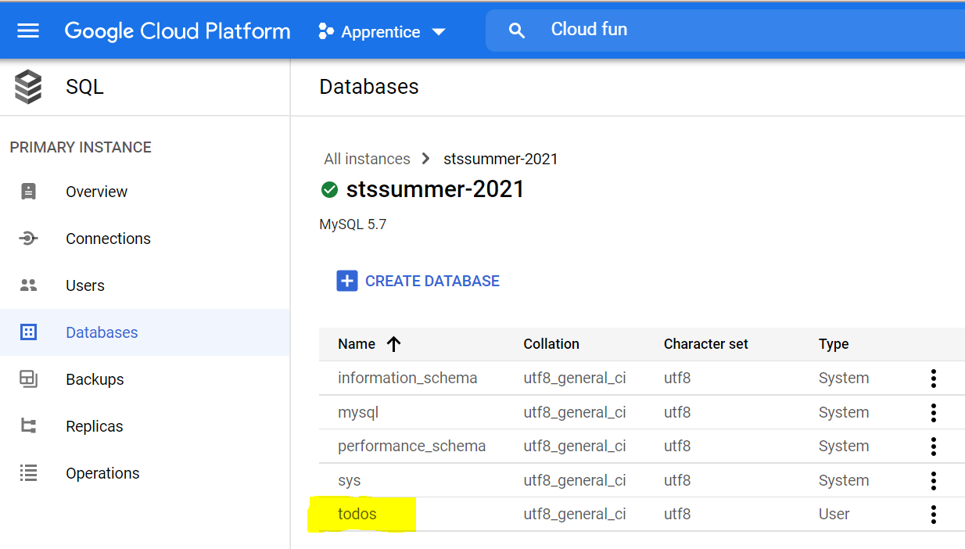
 | Created Cloud Database
 | todos

Task 3 cont (Cloud Spanner API)
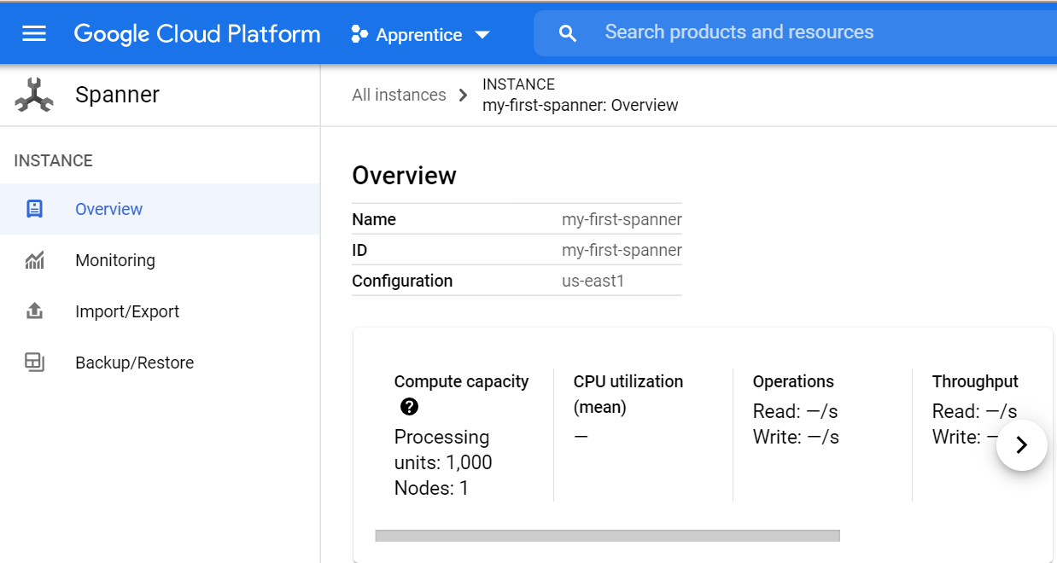
 | Created Cloud Spanner Instance
 | my-first-spanner

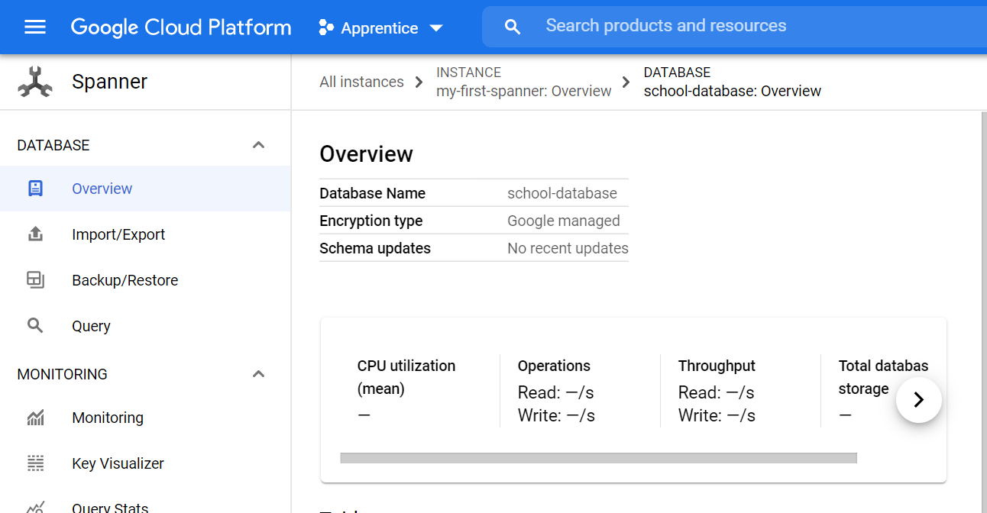
 | Created Cloud Spanner Database
 | school-database

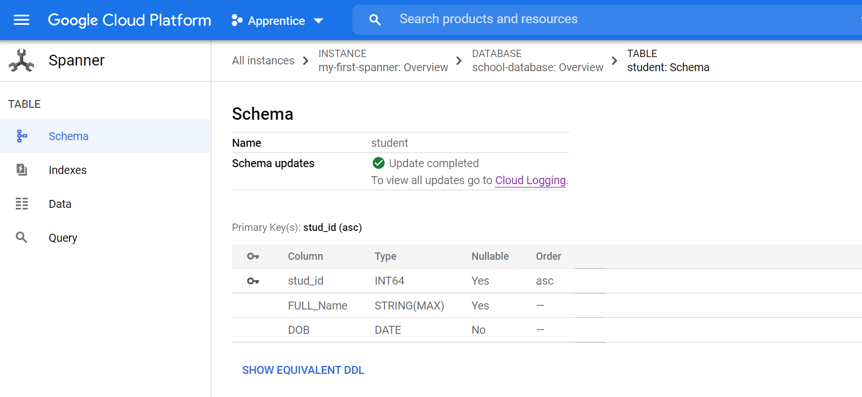
 |  | Created Table
 |  | Student

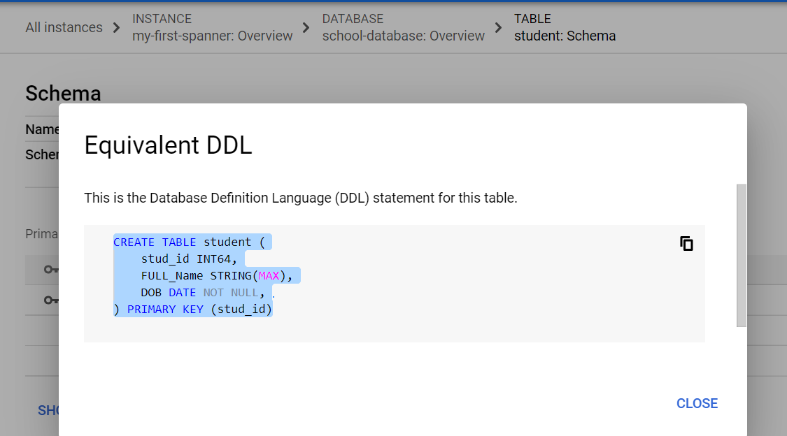
Showing SQL DDL(database definition language) statement

Task 4(IAM Role)
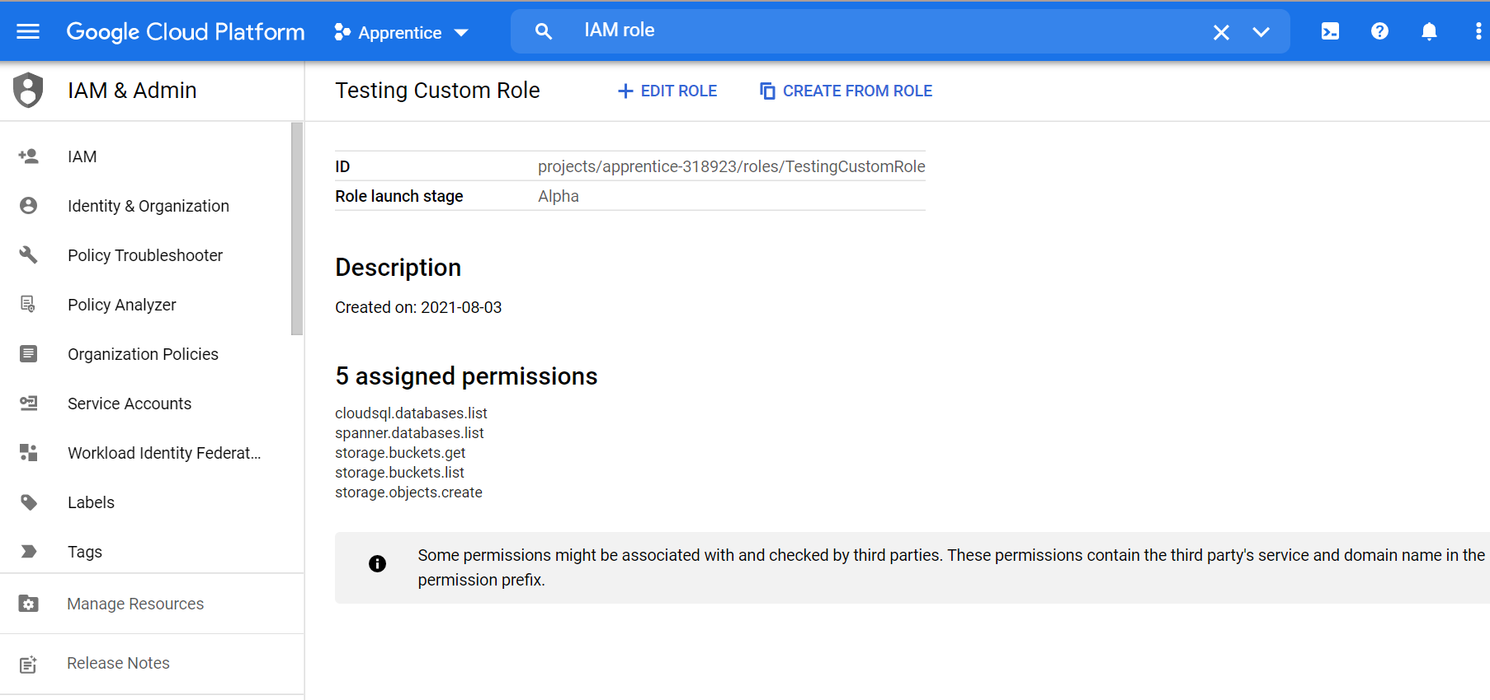
Created Identity and Access Management (IAM) Role
Title = TestingCustomRole
Description = created on: 2021-08-03
Role Launch Stage = Alpha

5 Assigned Permissions Below
cloudsql.databases.list
spanner.databases.list
storage.buckets.get
storage.buckets.list
storage.objects.create

Task 5(Alert Policy)
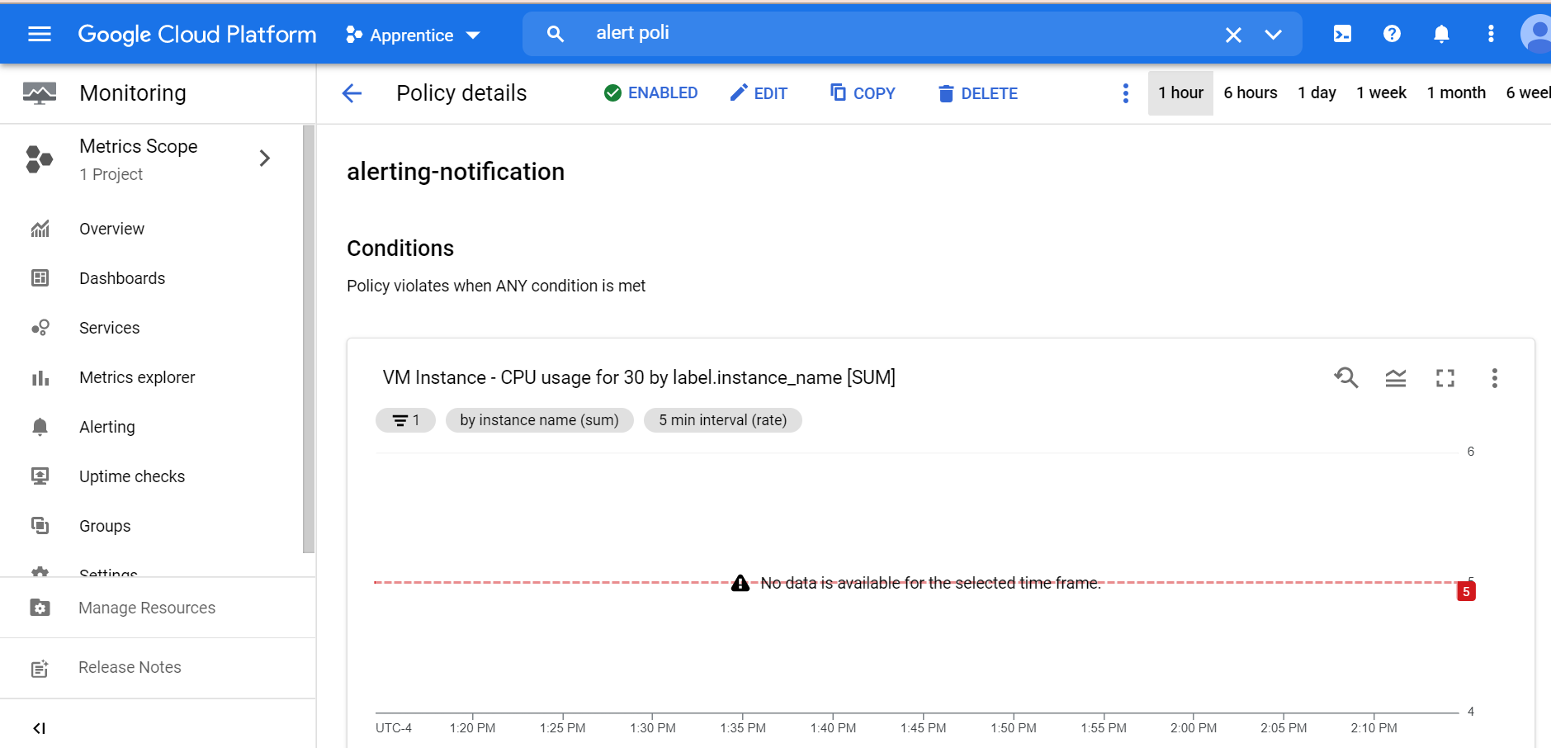
Created Alert Policy
alerting-notification

Task 6(Cloud Function)
Created CloudFunction
Name = mycloudfunction-1
Region = us-central1
Trigger = HTTP
SourceCode = Inline Editor
Runtime = Python 3 .9

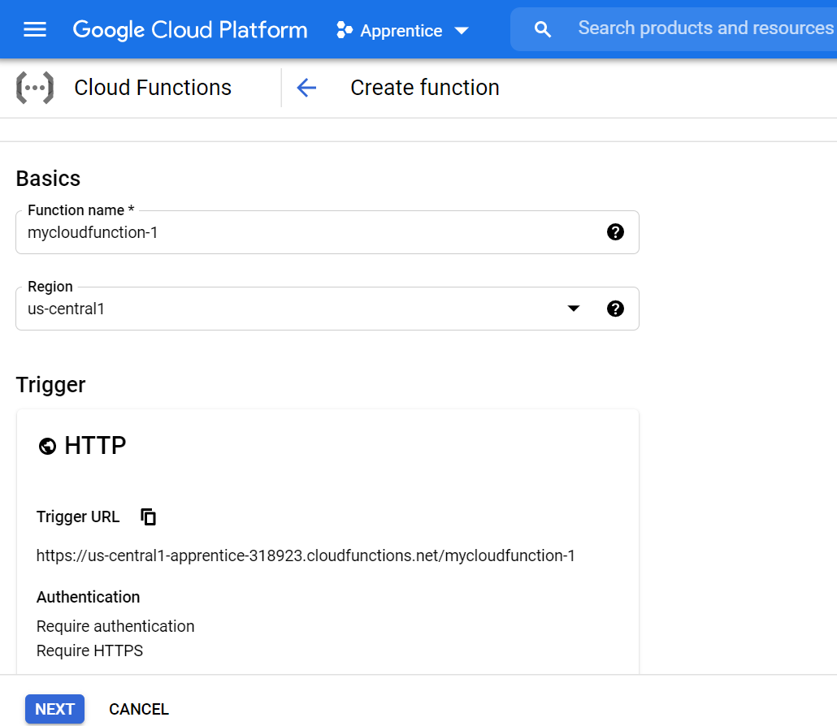

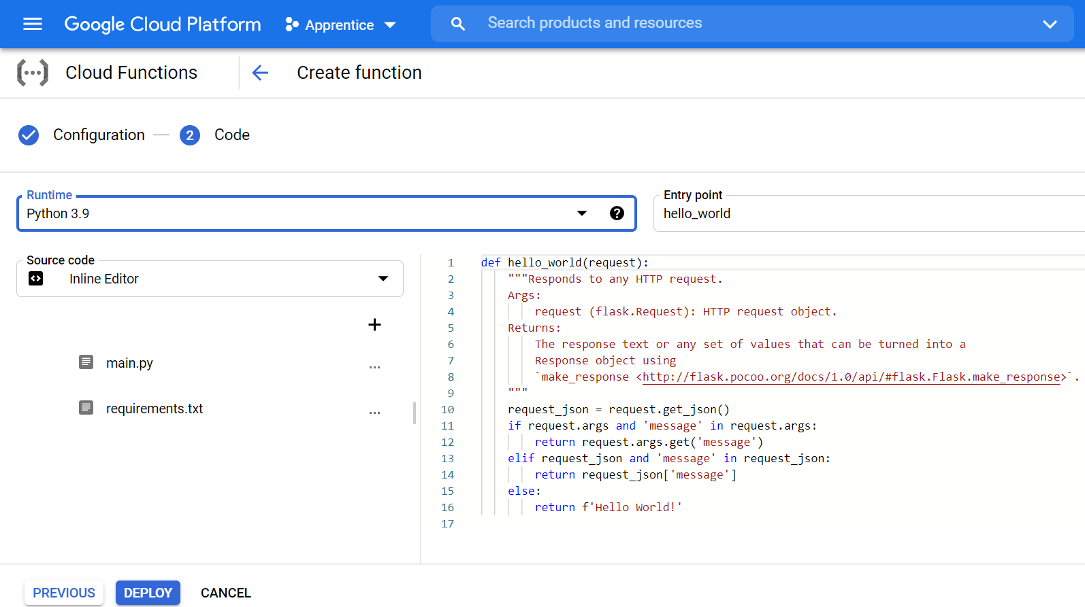
Image of Python 3.9 code used to define excecuted function hello_world
Source Code serves as proof when testing the Cloud Function's Excecuted function

Tsk 6CloudFunction-service acct
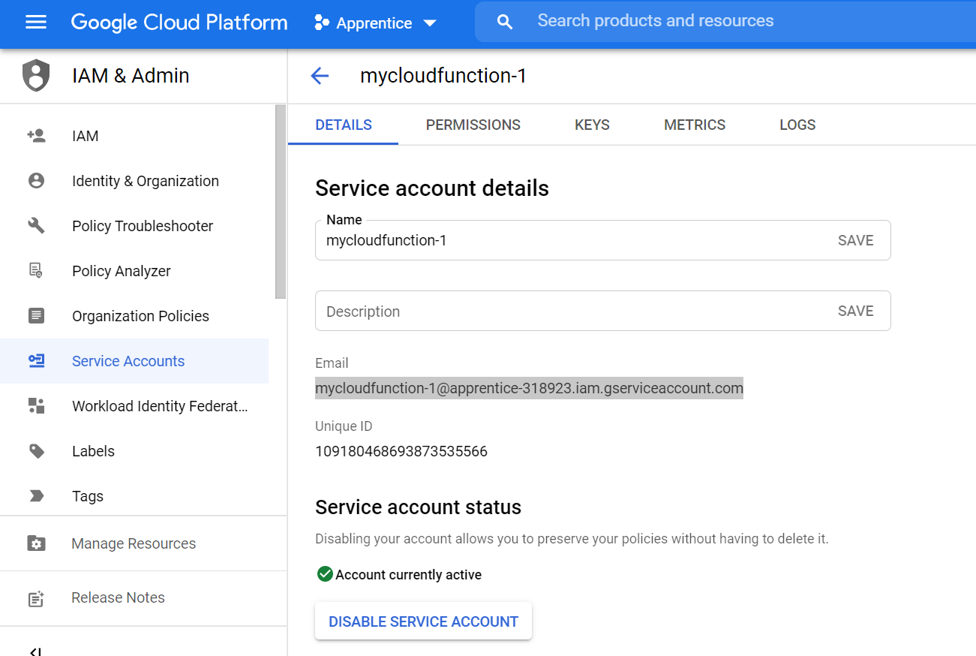
Service account for my Cloud Function

Task7(Create Prjct Document)
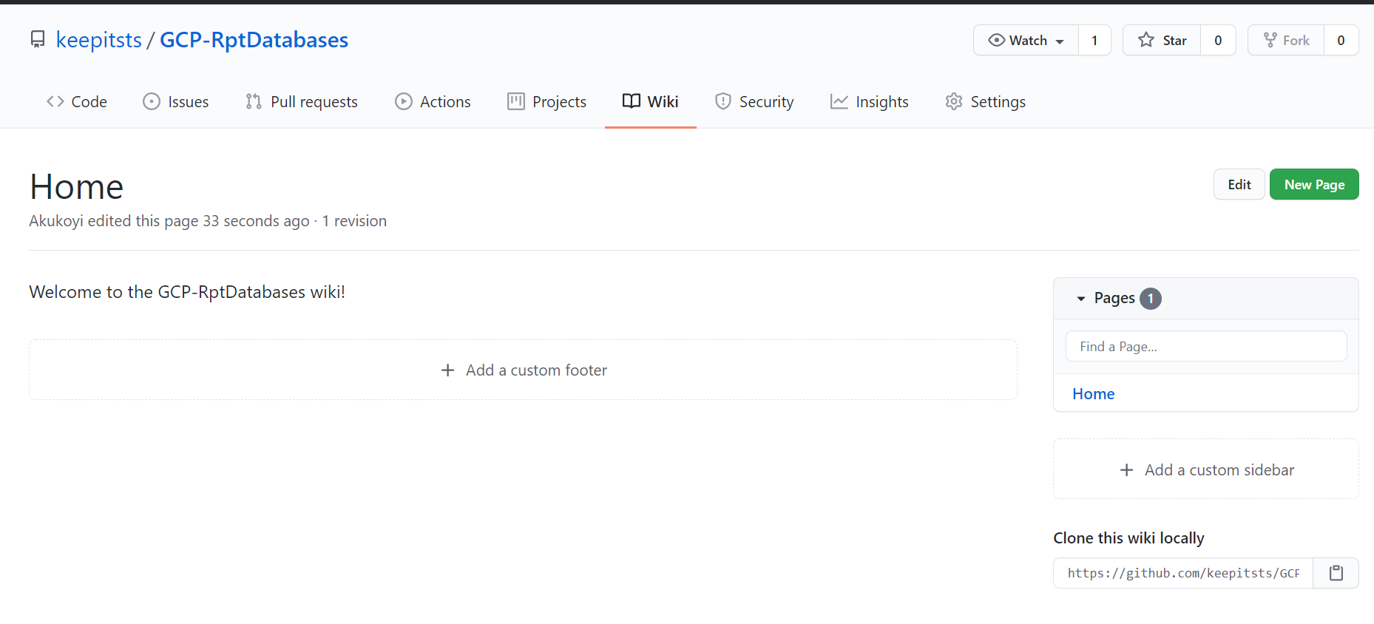
https://github.com/keepitsts/GCP-RptDatabases/wiki | Link for my wiki page along with its image below.

